Fig1
 | IRS | CPS
50 | 2.3% | 0.3%
200 | 1.7% | 0.5%
400 | 1.9% | 0.5%
600 | 1.6% | 0.8%
800 | 1.5% | 0.7%
1000 | 1.5% | 0.9%
1200 | 1.4% | 0.9%
1400 | 1.4% | 0.9%
1600 | 1.4% | 1.1%
1800 | 1.4% | 1.3%
2000 | 1.3% | 1.3%
2200 | 1.3% | 1.6%
2400 | 1.3% | 1.7%
2600 | 1.3% | 2.0%
2800 | 1.3% | 1.9%
3000 | 1.3% | 2.1%
3200 | 1.3% | 2.2%
3400 | 1.4% | 2.3%
3600 | 1.4% | 2.3%
3800 | 1.7% | 2.4%
4000 | 2.2% | 2.2%
4200 | 2.0% | 3.0%
4400 | 2.1% | 2.4%
4600 | 2.2% | 2.6%
4800 | 2.2% | 2.6%
5000 | 2.6% | 2.7%
5200 | 2.5% | 2.7%
5400 | 2.8% | 2.5%
5600 | 2.8% | 2.3%
5800 | 2.8% | 2.8%
6000 | 2.6% | 2.7%
6200 | 2.5% | 2.3%
6400 | 2.6% | 2.2%
6600 | 2.6% | 2.3%
6800 | 2.4% | 2.2%
7000 | 2.0% | 2.0%
7200 | 1.9% | 1.9%
7400 | 1.7% | 1.7%
7600 | 2.1% | 1.6%
7800 | 1.8% | 1.7%
8000 | 1.3% | 1.5%
8200 | 1.2% | 1.4%
8400 | 1.0% | 1.6%
8600 | 0.9% | 1.4%
8800 | 0.8% | 1.2%
9000 | 0.8% | 1.1%
9200 | 0.6% | 1.1%
9400 | 0.6% | 0.9%
9600 | 0.6% | 0.9%
9800 | 0.7% | 0.9%
...

Fig2
 | IRS | CPS
50 | 2.3% | 0.3%
200 | 4.0% | 0.8%
400 | 5.9% | 1.3%
600 | 7.5% | 2.1%
800 | 9.0% | 2.8%
1000 | 10.5% | 3.7%
1200 | 11.9% | 4.6%
1400 | 13.3% | 5.5%
1600 | 14.7% | 6.7%
1800 | 16.1% | 7.9%
2000 | 17.4% | 9.2%
2200 | 18.7% | 10.8%
2400 | 20.0% | 12.5%
2600 | 21.3% | 14.5%
2800 | 22.6% | 16.4%
3000 | 23.9% | 18.5%
3200 | 25.2% | 20.7%
3400 | 26.7% | 23.0%
3600 | 28.1% | 25.3%
3800 | 29.8% | 27.7%
4000 | 32.0% | 29.9%
4200 | 34.0% | 32.9%
4400 | 36.1% | 35.3%
4600 | 38.2% | 37.9%
4800 | 40.5% | 40.5%
5000 | 43.1% | 43.2%
5200 | 45.6% | 45.8%
5400 | 48.4% | 48.3%
5600 | 51.2% | 50.6%
5800 | 54.0% | 53.4%
6000 | 56.6% | 56.1%
6200 | 59.1% | 58.5%
6400 | 61.7% | 60.6%
6600 | 64.3% | 63.0%
6800 | 66.7% | 65.2%
7000 | 68.8% | 67.1%
7200 | 70.7% | 69.1%
7400 | 72.3% | 70.8%
7600 | 74.4% | 72.4%
7800 | 76.2% | 74.1%
8000 | 77.5% | 75.6%
8200 | 78.6% | 77.0%
8400 | 79.6% | 78.6%
8600 | 80.6% | 80.0%
8800 | 81.4% | 81.2%
9000 | 82.1% | 82.3%
9200 | 82.7% | 83.4%
9400 | 83.4% | 84.3%
9600 | 84.0% | 85.2%
9800 | 84.7% | 86.0%
...

Fig3
Figure 3: Distribution of health insurance premiums among married workers

 | IRS | CPS
50 | 1.8% | 0.1%
200 | 0.9% | 0.2%
400 | 0.9% | 0.2%
600 | 0.8% | 0.3%
800 | 0.7% | 0.3%
1000 | 0.7% | 0.4%
1200 | 0.7% | 0.4%
1400 | 0.7% | 0.4%
1600 | 0.6% | 0.5%
1800 | 0.6% | 0.5%
2000 | 0.6% | 0.6%
2200 | 0.6% | 0.4%
2400 | 0.6% | 0.7%
2600 | 0.6% | 0.5%
2800 | 0.6% | 0.8%
3000 | 0.6% | 0.9%
3200 | 0.6% | 0.9%
3400 | 0.7% | 0.7%
3600 | 0.7% | 1.0%
3800 | 0.7% | 0.8%
4000 | 1.0% | 1.1%
4200 | 0.9% | 1.0%
4400 | 0.9% | 0.9%
4600 | 1.0% | 1.1%
4800 | 1.0% | 1.3%
5000 | 1.2% | 1.2%
5200 | 1.1% | 1.1%
5400 | 1.3% | 1.0%
5600 | 1.3% | 1.0%
5800 | 1.3% | 1.5%
6000 | 1.3% | 1.5%
6200 | 1.2% | 1.4%
6400 | 1.3% | 1.2%
6600 | 1.3% | 1.3%
6800 | 1.2% | 1.4%
7000 | 1.0% | 1.6%
7200 | 1.0% | 1.5%
7400 | 0.9% | 1.4%
7600 | 1.0% | 1.6%
7800 | 0.9% | 1.6%
8000 | 0.8% | 1.6%
8200 | 0.8% | 1.6%
8400 | 0.7% | 1.6%
8600 | 0.8% | 1.7%
8800 | 0.7% | 1.8%
9000 | 0.7% | 1.7%
9200 | 0.7% | 1.6%
9400 | 0.7% | 1.8%
9600 | 0.7% | 1.7%
9800 | 0.7% | 1.6%
...
 | IRS | CPS
50 | 1.8% | 0.1%
200 | 0.9% | 0.2%
400 | 0.9% | 0.2%
600 | 0.8% | 0.3%
800 | 0.7% | 0.3%
1000 | 0.7% | 0.4%
1200 | 0.7% | 0.4%
1400 | 0.7% | 0.4%
1600 | 0.6% | 0.5%
1800 | 0.6% | 0.5%
2000 | 0.6% | 0.6%
2200 | 0.6% | 0.4%
2400 | 0.6% | 0.7%
2600 | 0.6% | 0.5%
2800 | 0.6% | 0.8%
3000 | 0.6% | 0.9%
3200 | 0.6% | 0.9%
3400 | 0.7% | 0.7%
3600 | 0.7% | 1.0%
3800 | 0.7% | 0.8%
4000 | 1.0% | 1.1%
4200 | 0.9% | 1.0%
4400 | 0.9% | 0.9%
4600 | 1.0% | 1.1%
4800 | 1.0% | 1.3%
5000 | 1.2% | 1.2%
5200 | 1.1% | 1.1%
5400 | 1.3% | 1.0%
5600 | 1.3% | 1.0%
5800 | 1.3% | 1.5%
6000 | 1.3% | 1.5%
6200 | 1.2% | 1.4%
6400 | 1.3% | 1.2%
6600 | 1.3% | 1.3%
6800 | 1.2% | 1.4%
7000 | 1.0% | 1.6%
7200 | 1.0% | 1.5%
7400 | 0.9% | 1.4%
7600 | 1.0% | 1.6%
7800 | 0.9% | 1.6%
8000 | 0.8% | 1.6%
8200 | 0.8% | 1.6%
8400 | 0.7% | 1.6%
8600 | 0.8% | 1.7%
8800 | 0.7% | 1.8%
9000 | 0.7% | 1.7%
9200 | 0.7% | 1.6%
9400 | 0.7% | 1.8%
9600 | 0.7% | 1.7%
9800 | 0.7% | 1.6%
...
Share of married workers with premium level

Notes: See Figure 1.

ESI bin ($) |  |  | CPS |  |  |  |  | IRS
 |  |  | Number per ESI bin |  |  | Fraction |  | Number per ESI bin |  |  | Fraction
min | max | mid | Married | Single | All | Married | Single | Married | Single | All | Married | Single
0 | 100 | 50 | 50,332 | 113,499 | 163,831 | 0.1% | 0.3% | 725,591 | 806,132 | 1,654,095 | 1.8% | 2.3%
100 | 300 | 200 | 104,951 | 152,961 | 257,912 | 0.2% | 0.5% | 377,362 | 604,637 | 1,094,712 | 0.9% | 1.7%
...
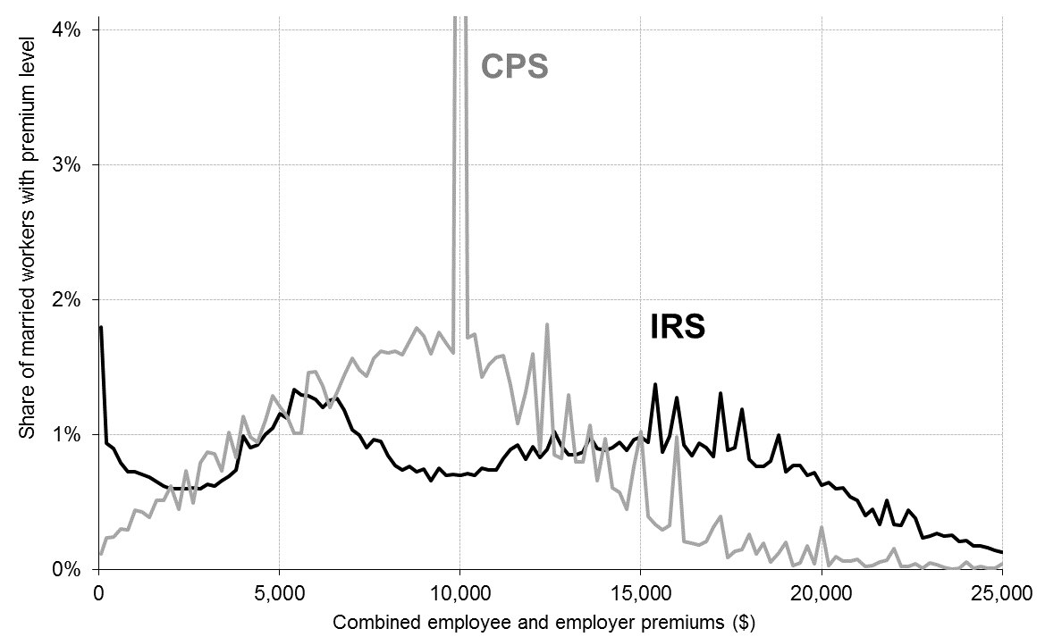
...

Fig4
 | IRS | CPS
50 | 1.8% | 0.1%
200 | 2.7% | 0.3%
400 | 3.6% | 0.6%
600 | 4.4% | 0.9%
800 | 5.1% | 1.2%
1000 | 5.9% | 1.6%
1200 | 6.6% | 2.0%
1400 | 7.2% | 2.4%
1600 | 7.9% | 2.9%
1800 | 8.5% | 3.4%
2000 | 9.1% | 4.0%
2200 | 9.7% | 4.5%
2400 | 10.3% | 5.2%
2600 | 10.9% | 5.7%
2800 | 11.5% | 6.5%
3000 | 12.1% | 7.4%
3200 | 12.7% | 8.2%
3400 | 13.4% | 8.9%
3600 | 14.1% | 10.0%
3800 | 14.8% | 10.8%
4000 | 15.8% | 11.9%
4200 | 16.7% | 12.9%
4400 | 17.6% | 13.8%
4600 | 18.6% | 14.9%
4800 | 19.7% | 16.2%
5000 | 20.8% | 17.4%
5200 | 22.0% | 18.6%
5400 | 23.3% | 19.6%
5600 | 24.6% | 20.6%
5800 | 25.9% | 22.0%
6000 | 27.1% | 23.5%
6200 | 28.3% | 24.9%
6400 | 29.6% | 26.1%
6600 | 30.8% | 27.4%
6800 | 32.0% | 28.8%
7000 | 33.0% | 30.4%
7200 | 34.0% | 31.8%
7400 | 34.9% | 33.3%
7600 | 35.9% | 34.8%
7800 | 36.9% | 36.5%
8000 | 37.7% | 38.1%
8200 | 38.5% | 39.7%
8400 | 39.2% | 41.3%
8600 | 40.0% | 43.0%
8800 | 40.7% | 44.8%
9000 | 41.4% | 46.5%
9200 | 42.1% | 48.1%
9400 | 42.8% | 49.8%
9600 | 43.5% | 51.5%
9800 | 44.2% | 53.1%
...

